Figure 1 Number of Persons 65+
Figure 1: Number of Persons 65+, 1900 - 2060 (numbers in millions)
1900 | 3.1
1920 | 4.9
1940 | 9
1960 | 16.2
1980 | 25.5
2000 | 35
2014 | 46.2
2020 | 56.4
2040 | 82.3
2060 | 98.2
Figure 1: Number of Persons 65+, 1900 to 2060 (numbers in millions)

Figure 1 - this chart shows the large increases in the older population from 3.1 million people in
1900 to 46.2 million in 2014 and projected to 98.2 million in 2060.

Note: Increments in years are uneven.
Source: U.S. Census Bureau, Population Estimates and Projections.

Figure 2 Marital Status
Figure 2: Marital Status of Persons 65 +, 2015
 | Women | Men
Married | 45% | 70%
Widowed | 34% | 12%
Divorced or Separated/ Spouse Absent | 16% | 13%
Single (never married) | 5% | 5%

Figure 2: Marital Status of Persons 65+, 2015

Figure 2 - Chart shows the gender differences as men are more likely to be married (70% to 45%) and women more likely to be widowed (34% to 12%)
Source: U.S. Census Bureau, Current Population Survey, Annual Social and Economic Supplement.

Figure 3 Living Arrangements
Figure 3: Living Arrangements of Persons 65+, 2015
 | Men | Women
living with spouse | 70% | 45%
living alone | 20% | 36%
Other | 10% | 19%

Chart 3M of Figure 3: Living Arrangements of Men 65+, 2015

Figure 3M shows that 70% of older men live with a spouse and 20% live alone while 10% live in other arrangements.

Chart 3F of Figure 3: Living Arrangements of Women 65+, 2015

Figure 3F shows that 45% of older women live with a spouse and 36% live alone while 19% live in other arrangements.

Source: U.S. Census Bureau, Current Population Survey, Annual Social and Economic Supplement.

Figure 4 State Map Percent 65+
Figure 4: Persons 65+ as a Percentage of Total Population, 2014

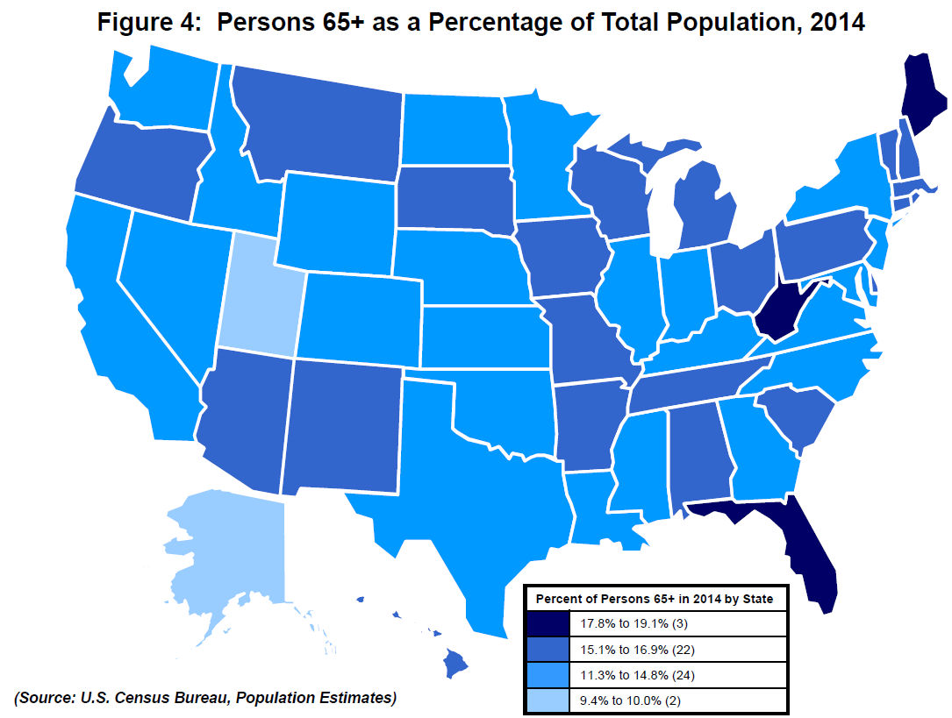
State | Percent of all Ages
U.S Total | 14.5%
Alabama | 15.3%
Alaska | 9.4%
Arizona | 15.9%
Arkansas | 15.7%
California | 12.9%
Colorado | 12.7%
Connecticut | 15.5%
Delaware | 16.4%
District of Columbia | 11.3%
Florida | 19.1%
Georgia | 12.4%
Hawaii | 16.1%
Idaho | 14.3%
Illinois | 13.9%
Indiana | 14.3%
Iowa | 15.8%
Kansas | 14.3%
Kentucky | 14.8%
Louisiana | 13.6%
Maine | 18.3%
Maryland | 13.8%
Massachusetts | 15.1%
Michigan | 15.4%
Minnesota | 14.3%
Mississippi | 14.3%
Missouri | 15.4%
Montana | 16.7%
Nebraska | 14.4%
Nevada | 14.2%
New Hampshire | 15.9%
New Jersey | 14.7%
New Mexico | 15.3%
New York | 14.7%
North Carolina | 14.7%
North Dakota | 14.2%
Ohio | 15.5%
Oklahoma | 14.5%
Oregon | 16.0%
Pennsylvania | 16.7%
Rhode Island | 15.7%
South Carolina | 15.8%
South Dakota | 15.3%
Tennessee | 15.1%
Texas | 11.5%
Utah | 10.0%
Vermont | 16.9%
Virginia | 13.8%
Washington | 14.1%
West Virginia | 17.8%
Wisconsin | 15.2%
Wyoming | 14.0%
Puerto Rico | 17.4%

Figure 4 is a US state map showing the percent of persons over 65 in the population of each state.
The data may be found in the table in Figure 6.

(Based on online data from the U.S. Census Bureau’s 1) Population Estimates and Projections;
2) American Community Survey; 3) Current Population Survey, Annual Social and Economic Supplement.

Sources: Administration for Community Living, http://www.agid.acl.gov/
Data Source: Population Estimates, accessed March 24, 2016. U.S. Census Bureau, Current Population Survey,
Annual Social and Economic Supplement; Population Estimates; and American Community Survey.

Figure 5 State Map Increase 65+
Figure 5: Percent Increase in Population 65+, 2004 to 2014

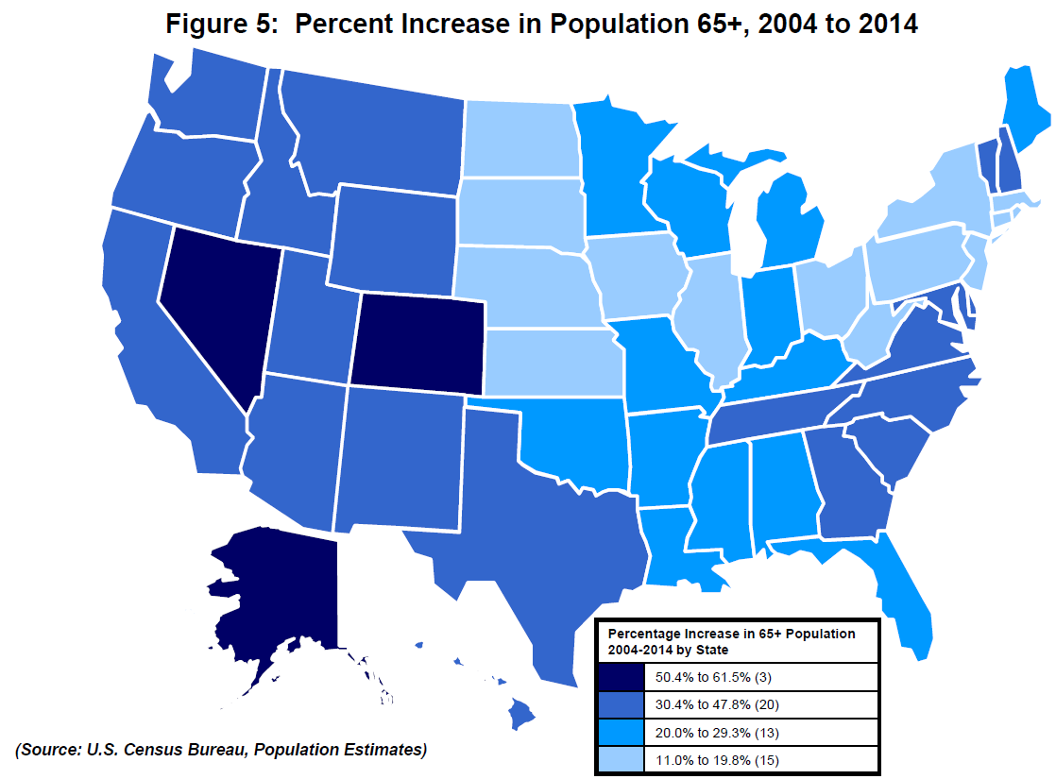
State | Percent Increase from 2004 to 2014
U.S. Total | 27.7%
Alabama | 25.3%
Alaska | 61.5%
Arizona | 46.4%
Arkansas | 22.6%
California | 32.0%
Colorado | 50.4%
Connecticut | 17.1%
Delaware | 40.6%
District of Columbia | 11.9%
Florida | 29.3%
Georgia | 47.8%
Hawaii | 33.2%
Idaho | 45.5%
Illinois | 18.2%
Indiana | 22.1%
Iowa | 12.5%
Kansas | 16.6%
Kentucky | 26.0%
Louisiana | 20.0%
Maine | 28.1%
Maryland | 30.4%
Massachusetts | 19.5%
Michigan | 22.6%
Minnesota | 26.7%
Mississippi | 22.2%
Missouri | 21.7%
Montana | 34.9%
Nebraska | 16.5%
Nevada | 52.4%
New Hampshire | 35.2%
New Jersey | 17.5%
New Mexico | 39.1%
New York | 16.6%
North Carolina | 41.5%
North Dakota | 11.5%
Ohio | 18.3%
Oklahoma | 21.9%
Oregon | 37.5%
Pennsylvania | 13.0%
Rhode Island | 11.0%
South Carolina | 47.0%
South Dakota | 19.8%
Tennessee | 34.1%
Texas | 40.5%
Utah | 42.8%
Vermont | 31.6%
Virginia | 36.2%
Washington | 41.7%
West Virginia | 17.5%
Wisconsin | 21.6%
Wyoming | 32.8%
Puerto Rico | 29.1%

Figure 5 is a US state map showing the percent increase from 2004 to 2014 in the older population of each state.
The data may be found in the table in Figure 6.

(Based on online data from the U.S. Census Bureau’s 1) Population Estimates and Projections;
2) American Community Survey; 3) Current Population Survey, Annual Social and Economic Supplement.)

Sources: Administration for Community Living, http://www.agid.acl.gov/
Data Source: Population Estimates, accessed March 24, 2016. U.S. Census Bureau, Current Population Survey,
Annual Social and Economic Supplement; Population Estimates; and American Community Survey.

Figure 7F Family Income
Figure 7F: Percent Distribution of Family Households with Householder Aged 65+ by Income: 2014
Figure 7: Percent Distribution by Income: 2014
Family Households with Householder Aged 65+
Under $10,000 | 3%
$10,000 - $14,999 | 3%
$15,000 - $24,999 | 10%
$25,000 - $34,999 | 12%
$35,000 - $49,999 | 17%
$50,000 - $74,999 | 19%
$75,000 and over | 35%
$54,838 median for 16 million family households 65+
Family Households 65+ Householder, 2014

Figure 7F is a chart showing the number of older persons in various categories of family household income for 2014.
A few (6%) are in the two lowest categories (up to $15,000). Most are spread around the middle and upper categories.

Note: Percentages may not add to 100 due to rounding.
Source: U.S. Census Bureau, Current Population Survey, Annual Social and Economic Supplement.

Figure 7P Personal Income
Figure 7P: Percent Distribution by Income of Persons 65+ Reporting Income: 2014
Persons 65+ Reporting Income | Percent of persons
Under $5,000 | 4%
$5,000 - $9,999 | 11%
$10,000 - $14,999 | 17%
$15,000 - $24,999 | 23%
$25,000 - $34,999 | 13%
$35,000 - $49,999 | 11%
$50,000 and over | 21%
$22,248 median for 44.4 million persons 65+ reporting income.

Persons 65+ Reporting Income, 2014

Figure 7P is a chart showing personal income of older persons. 15% report under $10,000.
About half are in the middle categories ($10,000 to $35,000).
32% have personal incomes of $35,000 or more.

Note: Percentages may not add to 100 due to rounding.
Source: U.S. Census Bureau, Current Population Survey, Annual Social and Economic Supplement.

Figure 8 Health Insurance
Figure 8: Health Insurance Coverage of Non-institutionalized Persons 65+, 2014
Type of Coverage | Percentages:
All types coverage | 99%
Total private | 53%
--employment-based | 29%
--direct purchase | 27%
Total government | 94%
--Medicare | 93%
--Medicaid | 7%
--Military | 8%
Not covered | 1%
Figure 8: Percentage of Persons 65+ by type of Health Insurance Coverage, 2014

Figure 8 shows the percent of older persons by various types of health insurance.
99% have some type of coverage - note figures are overlapping.
93% have Medicare; 7% have Medicaid. 53% have some type of private insurance as well.

Source: U.S. Census Bureau, Current Population Survey, Annual Social and Economic Supplement.

Figure 9 Disability
Figure 9. Percentage of Persons Age 65+ with a Disability, 2014
Subject
 | Percent with a disability
 | Estimate

Any disability | 36%
Hearing difficulty | 15%
Vision difficulty | 7%
Cognitive difficulty | 9%
Ambulatory difficulty | 23%
Self-care difficulty | 8%
Independent living difficulty | 15%

Figure 9: Percentage of Persons 65+ with a disability, 2014
 | Subject | Subject Percent with a disability Estimate
Any disability |  | 36%
Hearing difficulty |  | 15%
Vision difficulty |  | 7%
Cognitive difficulty |  | 9%
Ambulatory difficulty |  | 23%
Self-care difficulty |  | 8%
Independent living difficulty |  | 15%

Figure 9 shows a chart of the percentage of older persons with disabilities.
Among people age 65 and over, 36% have at least one disability.
Other disabilities range from 8%.

Source: U.S. Census Bureau, American Community Survey.

